Basic Logical
Logical Statements
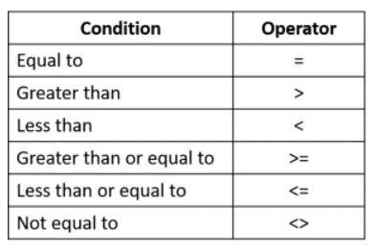
EXPENSES |  |  | Expenses over the following amount MUST be approved
Name | Total | Approval Required?
Deb Ashby | $800.00 |  | Threshold: | $1,000.00
Adam Lacey | $1,200.00
Mike Smith | $1,000.00
Sarah Oxted | $750.00
Lucy Jones | $500.00
Claire Fisher | $800.00
Sam Cox | $1,300.00

